Quarterly Gross GDP
FRED Graph Observations
Federal Reserve Economic Data
Link: https://fred.stlouisfed.org | Gross Domestic Product (GDP) | FRED | St. Louis Fed (stlouisfed.org)
Help: https://fredhelp.stlouisfed.org | chapters-01-04.pdf (bea.gov)
Economic Research Division
Federal Reserve Bank of St. Louis

GDP | Gross Domestic Product, Billions of Dollars, Quarterly, Seasonally Adjusted Annual Rate

Frequency: Quarterly
observation_date | GDP
1947-01-01 | 243.164
1947-04-01 | 245.968
1947-07-01 | 249.585
1947-10-01 | 259.745
1948-01-01 | 265.742
1948-04-01 | 272.567
1948-07-01 | 279.196
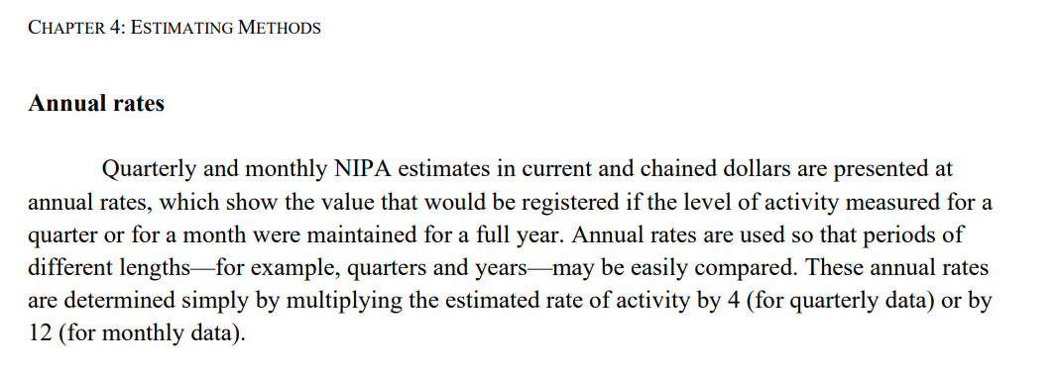
1948-10-01 | 280.366
1949-01-01 | 275.034
1949-04-01 | 271.351
1949-07-01 | 272.889
1949-10-01 | 270.627
1950-01-01 | 280.828
1950-04-01 | 290.383
1950-07-01 | 308.153
1950-10-01 | 319.945
1951-01-01 | 336.000
1951-04-01 | 344.090
1951-07-01 | 351.385
1951-10-01 | 356.178
1952-01-01 | 359.820
1952-04-01 | 361.030
1952-07-01 | 367.701
1952-10-01 | 380.812
1953-01-01 | 387.980
1953-04-01 | 391.749
1953-07-01 | 391.171
1953-10-01 | 385.970
1954-01-01 | 385.345
1954-04-01 | 386.121
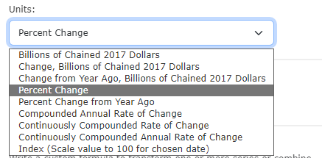
1954-07-01 | 390.996
1954-10-01 | 399.734
1955-01-01 | 413.073
1955-04-01 | 421.532
1955-07-01 | 430.221
1955-10-01 | 437.092
1956-01-01 | 439.746
1956-04-01 | 446.010
1956-07-01 | 451.191
1956-10-01 | 460.463
1957-01-01 | 469.779
1957-04-01 | 472.025
1957-07-01 | 479.490
1957-10-01 | 474.864
1958-01-01 | 467.540
1958-04-01 | 471.978
1958-07-01 | 485.841
1958-10-01 | 499.555
1959-01-01 | 510.330
1959-04-01 | 522.653
1959-07-01 | 525.034
1959-10-01 | 528.600
1960-01-01 | 542.648
1960-04-01 | 541.080
1960-07-01 | 545.604
1960-10-01 | 540.197
1961-01-01 | 545.018
1961-04-01 | 555.545
1961-07-01 | 567.664
1961-10-01 | 580.612
1962-01-01 | 594.013
1962-04-01 | 600.366
1962-07-01 | 609.027
1962-10-01 | 612.280
1963-01-01 | 621.672
1963-04-01 | 629.752
1963-07-01 | 644.444
1963-10-01 | 653.938
1964-01-01 | 669.822
1964-04-01 | 678.674
1964-07-01 | 692.031
1964-10-01 | 697.319
1965-01-01 | 717.790
1965-04-01 | 730.191
1965-07-01 | 749.323
1965-10-01 | 771.857
1966-01-01 | 795.734
1966-04-01 | 804.981
1966-07-01 | 819.638
1966-10-01 | 833.302
1967-01-01 | 844.170
1967-04-01 | 848.983
1967-07-01 | 865.233
1967-10-01 | 881.439
1968-01-01 | 909.387
1968-04-01 | 934.344
1968-07-01 | 950.825
1968-10-01 | 968.030
1969-01-01 | 993.337
1969-04-01 | 1009.020
1969-07-01 | 1029.956
1969-10-01 | 1038.147
1970-01-01 | 1051.200
1970-04-01 | 1067.375
1970-07-01 | 1086.059
1970-10-01 | 1088.608
1971-01-01 | 1135.156
1971-04-01 | 1156.271
1971-07-01 | 1177.675
1971-10-01 | 1190.297
1972-01-01 | 1230.609
1972-04-01 | 1266.369
1972-07-01 | 1290.566
1972-10-01 | 1328.904
1973-01-01 | 1377.490
1973-04-01 | 1413.887
1973-07-01 | 1433.838
1973-10-01 | 1476.289
1974-01-01 | 1491.209
1974-04-01 | 1530.056
1974-07-01 | 1560.026
1974-10-01 | 1599.679
1975-01-01 | 1616.116
1975-04-01 | 1651.853
1975-07-01 | 1709.820
1975-10-01 | 1761.831
1976-01-01 | 1820.487
1976-04-01 | 1852.332
1976-07-01 | 1886.558
1976-10-01 | 1934.273
1977-01-01 | 1988.648
1977-04-01 | 2055.909
1977-07-01 | 2118.473
1977-10-01 | 2164.270
1978-01-01 | 2202.760
1978-04-01 | 2331.633
1978-07-01 | 2395.053
1978-10-01 | 2476.949
1979-01-01 | 2526.610
1979-04-01 | 2591.247
1979-07-01 | 2667.565
1979-10-01 | 2723.883
1980-01-01 | 2789.842
1980-04-01 | 2797.352
1980-07-01 | 2856.483
1980-10-01 | 2985.557
1981-01-01 | 3124.206
1981-04-01 | 3162.532
1981-07-01 | 3260.609
1981-10-01 | 3280.818
1982-01-01 | 3274.302
1982-04-01 | 3331.972
1982-07-01 | 3366.322
1982-10-01 | 3402.561
1983-01-01 | 3473.413
1983-04-01 | 3578.848
1983-07-01 | 3689.179
1983-10-01 | 3794.706
1984-01-01 | 3908.054
1984-04-01 | 4009.601
1984-07-01 | 4084.250
1984-10-01 | 4148.551
1985-01-01 | 4230.168
1985-04-01 | 4294.887
1985-07-01 | 4386.773
1985-10-01 | 4444.094
1986-01-01 | 4507.894
1986-04-01 | 4545.340
1986-07-01 | 4607.669
1986-10-01 | 4657.627
1987-01-01 | 4722.156
1987-04-01 | 4806.160
1987-07-01 | 4884.555
1987-10-01 | 5007.994
1988-01-01 | 5073.372
1988-04-01 | 5190.036
1988-07-01 | 5282.835
1988-10-01 | 5399.509
1989-01-01 | 5511.253
1989-04-01 | 5612.463
1989-07-01 | 5695.365
1989-10-01 | 5747.237
1990-01-01 | 5872.701
1990-04-01 | 5960.028
1990-07-01 | 6015.116
1990-10-01 | 6004.733
1991-01-01 | 6035.178
1991-04-01 | 6126.862
1991-07-01 | 6205.937
1991-10-01 | 6264.540
1992-01-01 | 6363.102
1992-04-01 | 6470.763
1992-07-01 | 6566.641
1992-10-01 | 6680.803
1993-01-01 | 6729.459
1993-04-01 | 6808.939
1993-07-01 | 6882.098
1993-10-01 | 7013.738
1994-01-01 | 7115.652
1994-04-01 | 7246.931
1994-07-01 | 7331.075
1994-10-01 | 7455.288
1995-01-01 | 7522.289
1995-04-01 | 7580.997
1995-07-01 | 7683.125
1995-10-01 | 7772.586
1996-01-01 | 7868.468
1996-04-01 | 8032.840
1996-07-01 | 8131.408
1996-10-01 | 8259.771
1997-01-01 | 8362.655
1997-04-01 | 8518.825
1997-07-01 | 8662.823
1997-10-01 | 8765.907
1998-01-01 | 8866.480
1998-04-01 | 8969.699
1998-07-01 | 9121.097
1998-10-01 | 9293.991
1999-01-01 | 9411.682
1999-04-01 | 9526.210
1999-07-01 | 9686.626
1999-10-01 | 9900.169
2000-01-01 | 10002.179
2000-04-01 | 10247.720
2000-07-01 | 10318.165
2000-10-01 | 10435.744
2001-01-01 | 10470.231
2001-04-01 | 10599.000
2001-07-01 | 10598.020
2001-10-01 | 10660.465
2002-01-01 | 10783.500
2002-04-01 | 10887.460
2002-07-01 | 10984.040
2002-10-01 | 11061.433
2003-01-01 | 11174.129
2003-04-01 | 11312.766
2003-07-01 | 11566.669
2003-10-01 | 11772.234
2004-01-01 | 11923.447
2004-04-01 | 12112.815
2004-07-01 | 12305.307
2004-10-01 | 12527.214
2005-01-01 | 12767.286
2005-04-01 | 12922.656
2005-07-01 | 13142.642
2005-10-01 | 13324.204
2006-01-01 | 13599.160
2006-04-01 | 13753.424
2006-07-01 | 13870.188
2006-10-01 | 14039.560
2007-01-01 | 14215.651
2007-04-01 | 14402.082
2007-07-01 | 14564.117
2007-10-01 | 14715.058
2008-01-01 | 14706.538
2008-04-01 | 14865.701
2008-07-01 | 14898.999
2008-10-01 | 14608.209
2009-01-01 | 14430.902
2009-04-01 | 14381.236
2009-07-01 | 14448.882
2009-10-01 | 14651.249
2010-01-01 | 14764.610
2010-04-01 | 14980.193
2010-07-01 | 15141.607
2010-10-01 | 15309.474
2011-01-01 | 15351.448
2011-04-01 | 15557.539
2011-07-01 | 15647.680
2011-10-01 | 15842.259
2012-01-01 | 16068.805
2012-04-01 | 16207.115
2012-07-01 | 16319.541
2012-10-01 | 16420.419
2013-01-01 | 16648.189
2013-04-01 | 16728.687
2013-07-01 | 16953.838
2013-10-01 | 17192.019
2014-01-01 | 17197.738
2014-04-01 | 17518.508
2014-07-01 | 17804.228
2014-10-01 | 17912.079
2015-01-01 | 18063.529
2015-04-01 | 18279.784
2015-07-01 | 18401.626
2015-10-01 | 18435.137
2016-01-01 | 18525.933
2016-04-01 | 18711.702
2016-07-01 | 18892.639
2016-10-01 | 19089.379
2017-01-01 | 19280.084
2017-04-01 | 19438.643
2017-07-01 | 19692.595
2017-10-01 | 20037.088
2018-01-01 | 20328.553
2018-04-01 | 20580.912
2018-07-01 | 20798.730
2018-10-01 | 20917.867
2019-01-01 | 21104.133
2019-04-01 | 21384.775
2019-07-01 | 21694.282
2019-10-01 | 21902.390
2020-01-01 | 21706.513
2020-04-01 | 19913.143
2020-07-01 | 21647.640
2020-10-01 | 22024.502
2021-01-01 | 22600.185
2021-04-01 | 23292.362
2021-07-01 | 23828.973
2021-10-01 | 24654.603
2022-01-01 | 25029.116
2022-04-01 | 25544.273
2022-07-01 | 25994.639
2022-10-01 | 26408.405
2023-01-01 | 26813.601
2023-04-01 | 27063.012
2023-07-01 | 27610.128

